Sheet1
APPENDIX1
KC COLLEGE OF HOTEL MANAGEMENT
HUNAR SE ROZGAR TAK - BATCH-I (2015-16)
Form 24 Aug 2015 To 19th Oct 2015
8 Week-Bakery & Patisserie
DETAIL OF STUDENTS IN BAKERY (PART 1)
Sr. No | Name | Father`s Name | DOB | Education Qualification | Address | Contact No. | Photo
1 | Amritpal Singh | Komal Singh | 1992-10-14 | 10th | Vill: Sikanderpur | 9781251007
2 | Bhupinder Singh | Iqbal Singh | 1992-09-12 | 10th | VPO: KARIMPUR, SBS NAGAR | 98157-93701
3 | Gurpreet Singh | Jaswinder Singh | 1988-07-18 | 10th | No.B-5/884, Toor Colony CHD road NSR | 8699807642
4 | Gurpreet Singh Toor | Simrat Pal Singh | 1988-04-18 | 10th | Vpo:Karimpur, Distt: SBS NAGAR | 9815011930
5 | Harinder Singh | Dilbag Singh | 1997-01-19 | 10th | Vill: Dogarpur , SBS NAGAR | 9501246545
6 | Harpreet Singh | Ram Singh | 1995-10-16 | 10th | Vpo: Herian, Distt :SBS NAGAR | 8288941184
7 | Harpreet Singh | Dilbag Singh | 06/70/1993 | 10th | Vpo: Ladhana Jhikka | 9779652103
8 | HARPREET SUMAN | PARMJIT KUMAR | 1996-07-15 | 12th | VPO-GRUPAR,DISTT-SBS NAGAR | 81469-68654
9 | Harvinder Singh | Balvir Singh | 1990-02-15 | 10th | Vill: Najarpur, Po: Simbhi ,the: Garhshankar | 9463168114
10 | Jaspreet Singh | Jitender Singh | 1996-07-30 | 10th | Sahlon road Nawanshahr | 9814248135
11 | Karamjit Singh | Jasvir Singh | 1993-07-20 | 10th | Vpo: Punnumazara, distt: SBS NAGAR | 8968938114
12 | Kuljeet | Darshan Lal | 1987-04-30 | 12th | Vpo: Chhokran, distt: sbs nagar | 9878677402
13 | Kulwinder Kaur | Chhinder Singh | 1990-10-08 | 10th | Vpo: Hiala, distt: sbs nagar | 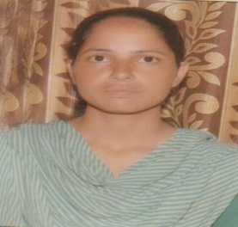 9464017841
14 | Kulwinder Singh | Sarwan Ram | 1986-10-02 | 10th | VPO: KARIMPUR, SBS NAGAR | 9781178211 | 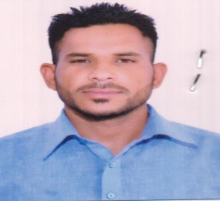
15 | Lovepreet | Sant Ram | 1992-12-14 | 12th | Vpo: bakhlaur,distt: sbs nagar | 9646635680
16 | Manjit Singh | Surjit Singh | 1994-05-07 | 10th | Vill: Dogarpur , SBS NAGAR | 9781200481
17 | Manpreet Kaur | Jagir Singh | 1993-05-27 | 12th | Q no-85,Block-E,Police Line Ropar(Punjab) | 9988596563
18 | Mohit | Sodhi Ram | 1997-02-23 | 10th | Vill: Chack Sabhu,po: Apra, distt: Jalandhar | 9814760645
19 | NAVDEEP KAUR | JASWINDER SINGH | 1997-02-02 | 10th | VILL-MAHAL KHURD,PO-GARCHA,DISTT-SBS NAGAR | 98155-80235
20 | Paramjit Singh | Jaswinder Singh | 1995-07-25 | 10th | Vill:mubarakpur, Po:Allachaur, distt: SBS NAGAR | 84275-99401
21 | Rachin | Ashok Kumar | 1997-12-07 | 9th | Railway road Nawanshahr | 9878608689 | 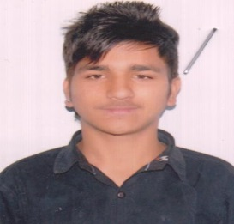
22 | Ramandeep | Jaswinder Singh | 1987-06-13 | 8th | VPO: KARIMPUR, SBS NAGAR | 9781178211
23 | Ramanpreet | Kasmiri Lal | 1995-08-08 | 10th | VPO: KARIMPUR, SBS NAGAR
24 | Rekha | Kundan Lal | 1992-10-02 | 10th | Vpo: Torowal,sbs nagar | 9478596359
25 | Sandeep Singh | Gurmail Singh | 1995-04-08 | 10th | Hakumatpur,the: Garhshankar,distt: Hoshiarpur | 9915207067 | 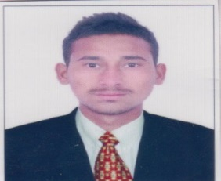
26 | Sandeep Singh | Surinder Singh | 1991-04-15 | 10th | Vpo: Panam, teh: Garhshankar | 8146803049
27 | Sarabjit Kaur | Kundan Lal | 1987-07-27 | 10th | Vpo: Torowal,sbs nagar | 9478596359
28 | Taljinder Singh | Simarjit Singh | 1991-07-12 | 10th | VPO: KARIMPUR, SBS NAGAR | 97797-76685
29 | Varinder Singh | Ram Paul | 1990-09-27 | 10th | MOH.Maqbara, Rahon | 9914769988
30 | Varinder Singh | Simranjit Singh | 1997-01-13 | 10th | VPO: KARIMPUR, SBS NAGAR | 84270-62021

